Sheet1
g | Center Freq (GHz) | Ripple BW (GHz) |  | kij | k |  | Qext
1 | 3.6 | 0.24 |  | 12 | 0.062046860195 |  | A | 13.4835
0.8989 |  |  |  | 23 | 0.047388632928 |  | B | 13.48267635
1.2843 |  |  |  | 34 | 0.062049390956
1.541
0.7491
1.1999
 |  |  |  |  |  |  | Offset (mm) | f0 | f0 angle | f1 | f1 angle | f2 | f2 angle | Qext
 |  |  |  |  |  |  | 1.8 | 4.007 | -7.44 | 3.92 | -97.44 | 4.091 | 82.56 | 23.432748538
 |  |  |  |  |  |  | 2.1 | 4.018 | -8.05 | 3.912 | -98.05 | 4.122 | 81.95 | 19.133333333
Wavelength |  |  |  |  |  |  | 2.4 | 4.028 | -6.67 | 3.907 | -96.67 | 4.149 | 83.33 | 16.644628099
C | 299792458 | m/s |  |  |  |  | 2.7 | 4.012 | 0.07 | 3.871 | -89.93 | 4.15 | 90.07 | 14.379928315
e_r | 3.55 |  |  |  |  |  | 2.8521 | 4.023 | -3.44 | 3.876 | -93.44 | 4.172 | 86.56 | 13.591216216
d | 0.7874 | mm |  |  |  |  | 2.86 | 4.018 | -0.11 | 3.868 | -90.11 | 4.166 | 89.89 | 13.483221477
W | 1.789 | mm |  |  |  |  | 3 | 4.023 | 0.24 | 3.863 | -89.76 | 4.182 | 90.24 | 12.611285266
e_eff | 2.7837151901
L | 49.912095377 | mm
L/2 | 24.956047688
 |  |  | Spacing | fm | fe | k12
 |  |  | 0.8 | 3.767 | 4.0209 | 0.065134483244 | Offset | Qext
 |  |  | 0.8625 | 3.8426 | 4.074 | 0.058409535922 | 20 | 63.112903226
 |  |  | 0.925 | 3.8174 | 4.0308 | 0.054341719063 | 21.6173 | 13.466887417
 |  |  | 1.05 | 3.7688 | 3.9596 | 0.049346249472 | 21.6812 | 12.996805112
 |  |  | 1.1125 | 3.803 | 3.9596 | 0.040330892598 | 21.754 | 12.633540373
 |  |  | 1.2375 | 3.7157 | 3.8651 | 0.039400062434 | 21.85 | 12.253012048
 |  |  | 0.82869 | 3.7553 | 3.9965 | 0.062170516373 | 22 | 11.41971831
 |  |  | 1.0636 | 3.7652 | 3.9731 | 0.053693975597 | 24 | 6.5707154742
 |  |  | 1.0742 | 3.2287 | 3.4267 | 0.059447939814 | 26 | 4.8864795918
 |  |  | 1.0722 | 3.8012 | 3.9884 | 0.048036342582 | 28 | 4.1822173436
 |  |  | 1.071 | 3.8174 | 3.9929 | 0.044917975501

 |  |  |  |  |  |  | Spacing | f0
 |  |  |  |  |  |  | 3.748 | 3.798
 |  |  |  |  |  |  | 4.3726 | 3.573
 |  |  |  |  |  |  | 4.9973 | 3.404
 |  |  |  |  |  |  | 5.6219 | 3.349
 |  |  |  |  |  |  | 6.2466 | 3.256
 |  |  |  |  |  |  | 6.8713 | 3.207
 |  |  |  |  |  |  | 7.4959 | 3.17

Sheet3
ATTEMPT 2
 |  |  |  |  |  | 0.252 |  |  |  |  |  |  |  | 0.275
 | Optimal Resonator Dimensions |  |  |  |  | Offset (mm) | f0 | f0 angle | f1 | f1 angle | f2 | f2 angle | Qext | Offset (mm) | f0 | f0 angle | f1 | f1 angle | f2 | f2 angle | Qext
 | Bridge | Leg |  |  |  | 0 | 6.95 | -74.78 | 6.67 | -164.78 | 7.26 | 15.22 | 11.779661017 | 0 | 7 | -69.08 | 6.75 | -159.08 | 7.26 | 20.92 | 13.725490196
 | 0.24 | 0.4114 | 0.0063 |  |  | 0.1 | 6.94 | -71.9 | 6.67 | -161.9 | 7.24 | 18.1 | 12.175438596 | 0.1 | 6.99 | -65.92 | 6.75 | -155.92 | 7.24 | 24.08 | 14.265306122
 | 0.245 | 0.41 | 0.7 |  |  | 0.2 | 6.94 | -70.03 | 6.67 | -160.03 | 7.22 | 19.97 | 12.618181818 | 0.2 | 6.98 | -64.17 | 6.75 | -154.17 | 7.22 | 25.83 | 14.85106383
 | 0.252 | 0.405 | 0.0003 |  |  | 0.3 | 6.89 | -68.47 | 6.64 | -158.47 | 7.16 | 21.53 | 13.25 | 0.3 | 6.98 | -62.48 | 6.76 | -152.48 | 7.21 | 27.52 | 15.511111111
 | 0.258 | 0.4 | 0.0063 |  |  | 0.4 | 6.92 | -68.73 | 6.68 | -158.73 | 7.18 | 21.27 | 13.84 | 0.4 | 6.97 | -60.09 | 6.76 | -150.09 | 7.19 | 29.91 | 16.209302326
 | 0.265 | 0.396 | 0.0097 |  |  | 0.5 | 6.89 | -64.15 | 6.66 | -154.15 | 7.14 | 25.85 | 14.354166667 | 0.5 | 6.97 | -58.59 | 6.77 | -148.59 | 7.17 | 31.41 | 17.425
 | 0.27 | 0.3943 | 0.0097 |  |  | 0.341 | 6.93 | -69.94 | 6.68 | -159.94 | 7.19 | 20.06 | 13.588235294 | -0.03 | 7.01 | -71.38 | 6.76 | -161.38 | 7.27 | 18.62 | 13.745098039
 | 0.275 | 0.391 | 0.003

 | 0.252 | 0.405 | 0.0003
 | 0.275 | 0.391 | 0.003

 |  |  |  |  |  |  |  |  | 0 | 11.779661017 |  |  |  | 0 | 13.725490196
 |  |  |  |  |  |  |  |  | 0.1 | 12.175438596 |  |  |  | 0.1 | 14.265306122
 |  |  |  |  |  |  |  |  | 0.2 | 12.618181818 |  |  |  | 0.2 | 14.85106383
 |  |  |  |  |  |  |  |  | 0.3 | 13.25 |  |  |  | 0.3 | 15.511111111
 |  |  |  |  |  |  |  |  | 0.4 | 13.84 |  |  |  | 0.4 | 16.209302326
 |  |  |  |  |  |  |  |  | 0.5 | 14.354166667

 |  |  |  |  |  |  |  |  |  |  |  |  |  |  | 0
 |  |  |  |  |  |  |  |  |  | 0.341 |  |  |  |  | -0.03

 | 252
 | Spacing | fm | fe | kij |  | interp | 0.05 | 0.33485798631
 | 0.05 | 2.7868 | 3.9479 | 0.33485798631 | 0.062047 | 0.77916 | 0.29 | 0.14726377595
 | 0.29 | 3.2881 | 3.8139 | 0.14726377595 | 0.047389 | 0.98165 | 0.53 | 0.089978213115
 | 0.53 | 3.4178 | 3.7405 | 0.089978213115 |  |  | 0.77 | 0.062896923071
 | 0.77 | 3.4797 | 3.7059 | 0.062896923071 |  |  | 1.01 | 0.045596258127
 | 1.01 | 3.5172 | 3.6814 | 0.045596258127 |  |  | 1.25 | 0.033186339079
 | 1.25 | 3.5431 | 3.6627 | 0.033186339079

 | 275
 | Spacing | fm | fe | kij |  | interp | 0.05 | 0.34571109923
 | 0.05 | 2.7277 | 3.9119 | 0.34571109923 | 0.062047 | 0.76996 | 0.29 | 0.14407487918
 | 0.29 | 3.2939 | 3.8082 | 0.14407487918 | 0.047389 | 0.96216 | 0.53 | 0.087317603434
 | 0.53 | 3.4322 | 3.7462 | 0.087317603434 |  |  | 0.77 | 0.062042997445
 | 0.77 | 3.484 | 3.7073 | 0.062042997445 |  |  | 1.01 | 0.044359687243
 | 1.01 | 3.5229 | 3.6828 | 0.044359687243 |  |  | 1.25 | 0.033555043188
 | 1.25 | 3.5445 | 3.6655 | 0.033555043188

Resonator Synthesis
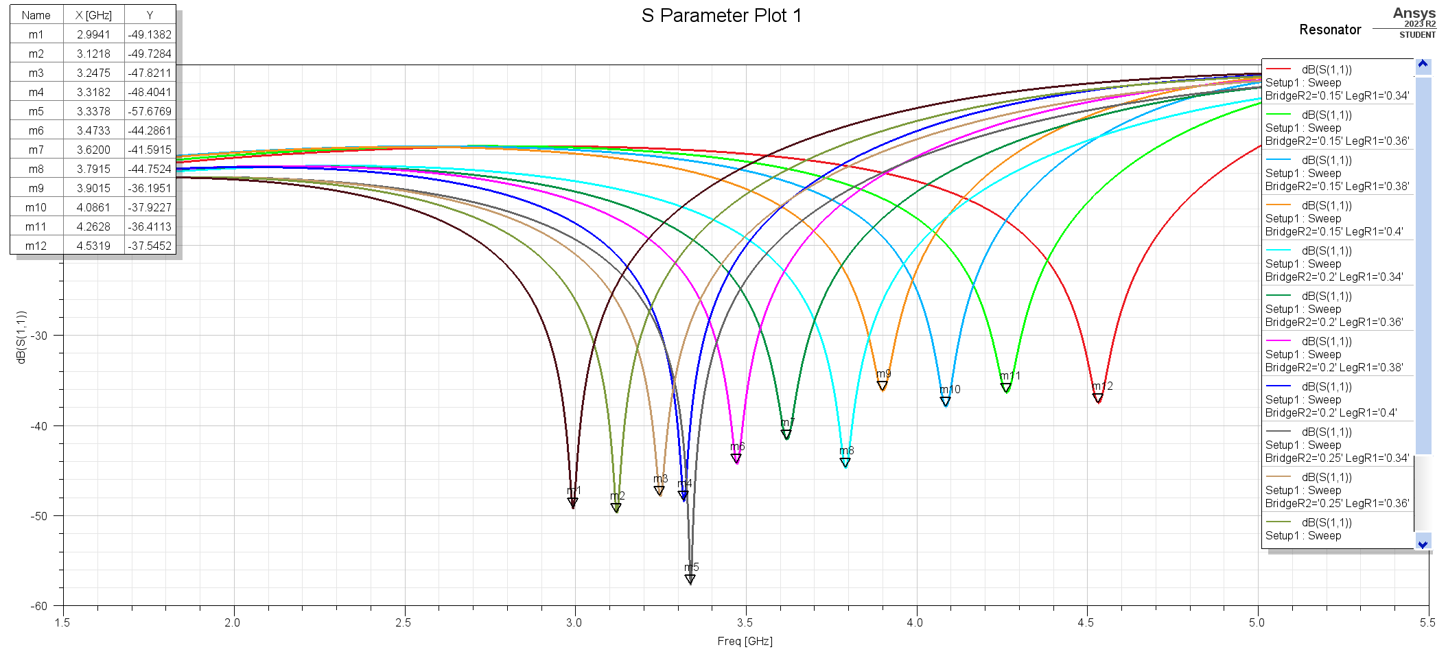
Simulation Pass 1
Bridge | Leg | f0 | S11
0.15 | 0.34 | 4.5319 | -37.5452
0.15 | 0.36 | 4.2628 | -36.4113
0.15 | 0.38 | 4.0861 | -37.9227
0.15 | 0.4 | 3.9015 | -36.1951
0.2 | 0.34 | 3.7915 | -44.7524
0.2 | 0.36 | 3.62 | -41.5915
0.2 | 0.38 | 3.4733 | -44.2861
0.2 | 0.4 | 3.3182 | -48.4041
0.225 | 0.4 | 3.1178 | -45.8571
0.225 | 0.38 | 3.2867 | -45.0929
0.225 | 0.36 | 3.4033 | -51.4444
0.225 | 0.34 | 3.5794 | -48.0752
0.225 | 0.32 | 3.7574 | -45.2305
0.25 | 0.4 | 2.9941 | -49.1382
0.25 | 0.38 | 3.1218 | -49.7284
0.25 | 0.36 | 3.2475 | -47.8211
0.25 | 0.34 | 3.3378 | -57.6769
0.25 | 0.32 | 3.548 | -53.577
0.25 | 0.3 | 3.7149 | -42.7509
0.25 | 0.28 | 3.91 | -41.1951

Optimal values
Bridge | Leg | f0
0.225 | 0.3375 | 3.6016

 | 0.4535 | 3.555
 | 0.4532 | 3.6514
 | 0.45335

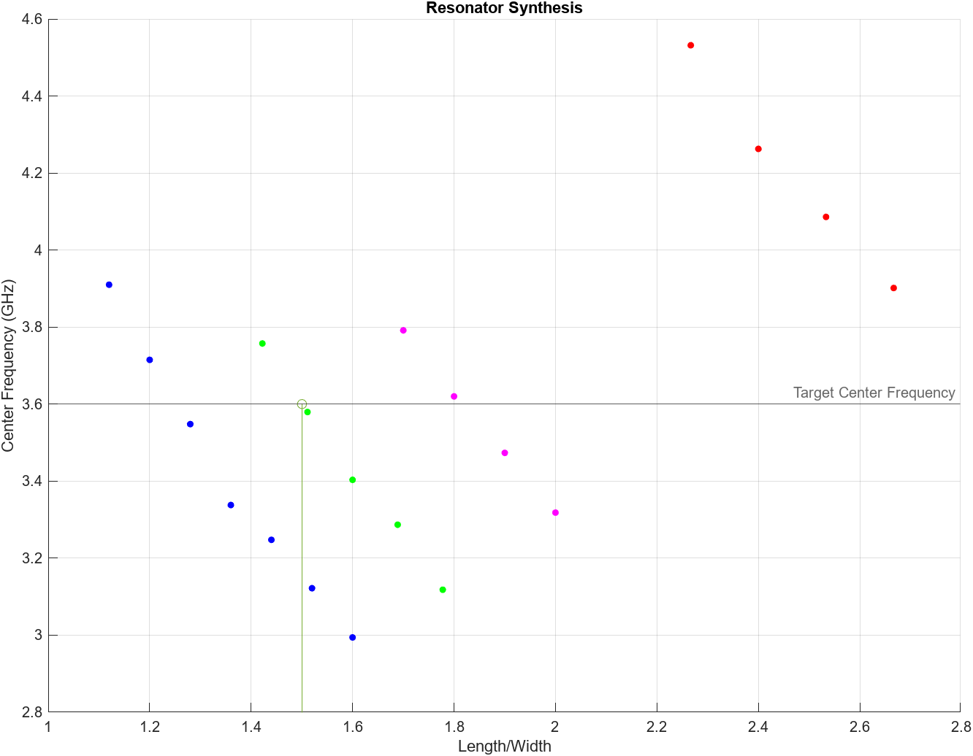

 | ======================= ATTEMPT 2 ========================
 | Bridge | Flatness |  | Bridge | Leg | f0 | Bridge | Leg | f0
 | 0.2 | N/A |  | 0.22 | 0.3 | 4.0859049208 | 0.24 | 0.3 | 4.0859049208
 | 0.22 |  |  | 0.22 | 0.32 | 3.8590492077 | 0.24 | 0.32 | 3.8590492077
 | 0.24 |  |  | 0.22 | 0.34 | 3.8590492077 | 0.24 | 0.34 | 3.8590492077
 | 0.26 |  |  | 0.22 | 0.36 | 3.8990825688 | 0.24 | 0.36 | 3.8990825688
 | 0.28 |  |  | 0.22 | 0.38 | 3.7589658048 | 0.24 | 0.38 | 3.7589658048
 | 0.3 |  |  | 0.22 | 0.4 | 3.3619683069 | 0.24 | 0.4 | 3.3619683069

Qext Synthesis
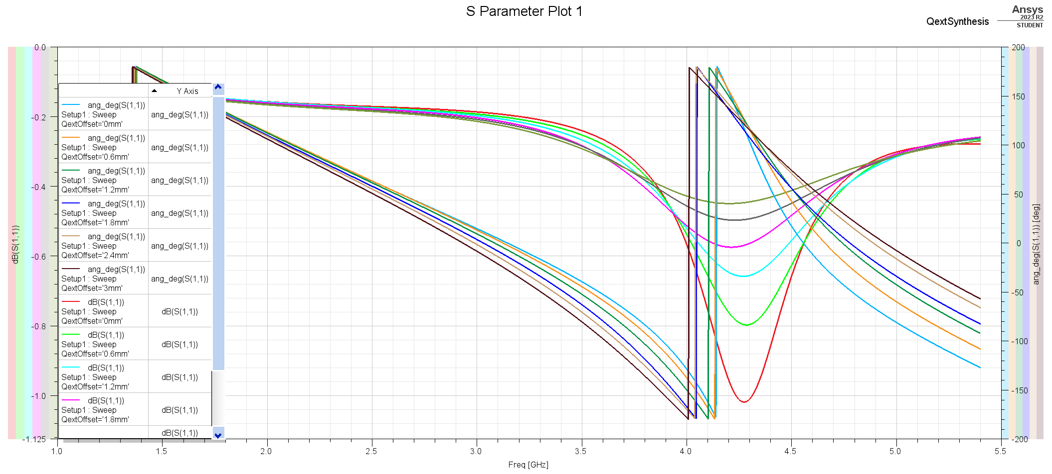

Simulation Pass 1
Offset (mm) | f0 | f0 angle | f1 | f1 angle | f2 | f2 angle | Qext
-0.2 | 6.95 | -80.69 | 6.62 | -170.69 | 7.29 | 9.31 | 10.373134328
-0.4 | 6.9 | -82.36 | 6.56 | -172.36 | 7.26 | 7.64 | 9.8571428571
0.66666666 | 3.63 | 165.41 | 3.438 | 75.41 | 3.812 | 255.41 | 9.7058823529
1.6 | 4.157 | 127.23 | 4.002 | 37.23 | 4.451 | 217.23 | 9.2583518931
2.4 | 4.148 | 129.68 | 3.975 | 39.68 | 4.491 | 219.68 | 8.0387596899
3 | 4.106 | 138.7 | 3.949 | 48.7 | 4.489 | 228.7 | 7.6037037037
0.5 | 4.17 | 116.13 | 4.049 | 26.13 | 4.354 | 206.13 | 13.672131148
0.52 | 4.195 | 115.96 | 4.07 | 25.96 | 4.386 | 205.96 | 13.275316456
0.51 | 3.858 | 161.29 | 3.818 | 71.29 | 4.063 | 251.29 | 15.746938776

K Synthesis
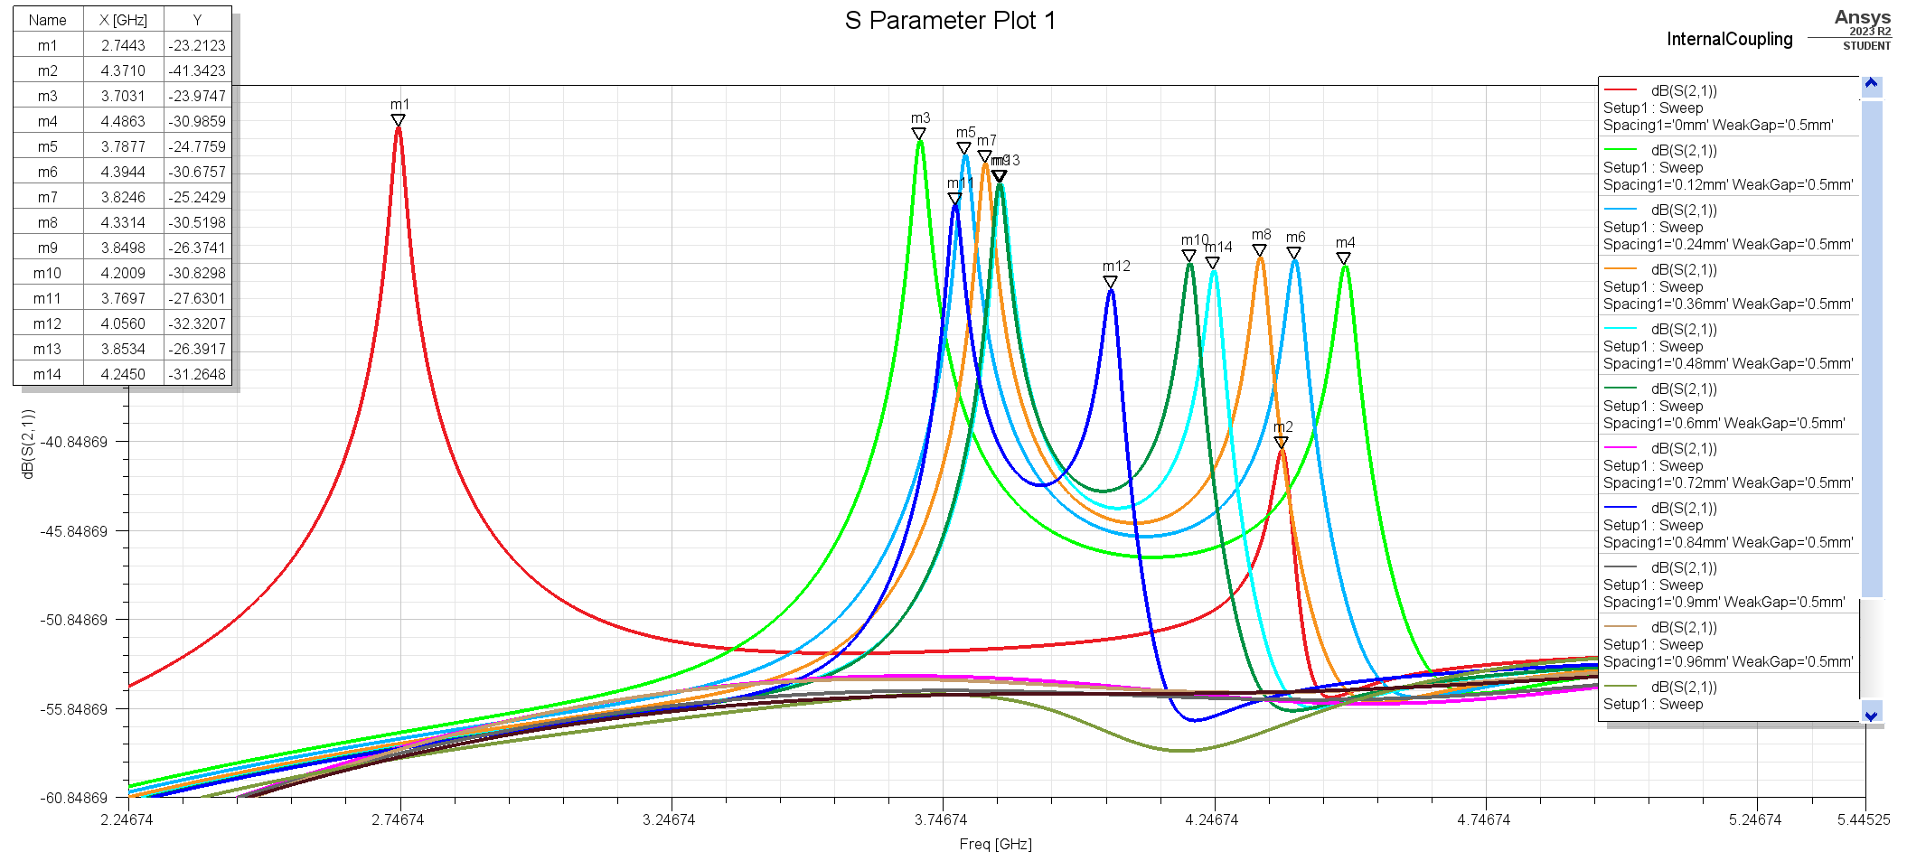
With gap = 0.5mm |  |  |  |  | kij | k
Spacing | fm | fe | kij |  | 12 | 0.062046860195
0.63181818 | 3.4595 | 3.7376 | 0.077165911227 |  | 23 | 0.047388632928
0.70909090909 | 3.4725 | 3.7261 | 0.070370808306 |  | 34 | 0.062049390956
0.78636363 | 3.4869 | 3.7131 | 0.062771377548
0.86386386386 | 3.5028 | 3.7059 | 0.056303885307
0.9409090909 | 3.52 | 3.7001 | 0.049857483588
1.018181818 | 3.5345 | 3.6958 | 0.044595594389
1.095454545 | 3.5431 | 3.6886 | 0.040223218551
1.25 | 3.5604 | 3.68 | 0.033027836872

Gap=0.42 mm
Spacing | fm | fe | kij
0.84 | 3.7859 | 4.0956 | 0.078467941716
0.96 | 3.8642 | 4.0812 | 0.054582087148
1.08 | 3.9317 | 4.11 | 0.04432206916
0.911 | 3.9038 | 4.1505 | 0.061201785327
1.03 | 3.9038 | 4.1505 | 0.061201785327

 |  |  |  | 0.1 | 0.24695132712
 |  |  |  | 0.2 | 0.18629289135
 | 0.63181818 | 0.077165911 |  | 0.3 | 0.15566950753
 | 0.709090909 | 0.070370808 |  | 0.4 | 0.10473752694
 | 0.78636363 | 0.062771378 |  | 0.5333 | 0.085109591125
 | 0.863863864 | 0.056303885 |  | 0.6667 | 0.07067801989
 | 0.940909091 | 0.049857484 |  | 0.8 | 0.059762793156
 | 1.018181818 | 0.044595594
 | 1.095454545 | 0.040223219
 | 1.25 | 0.033027837

